Sheet1
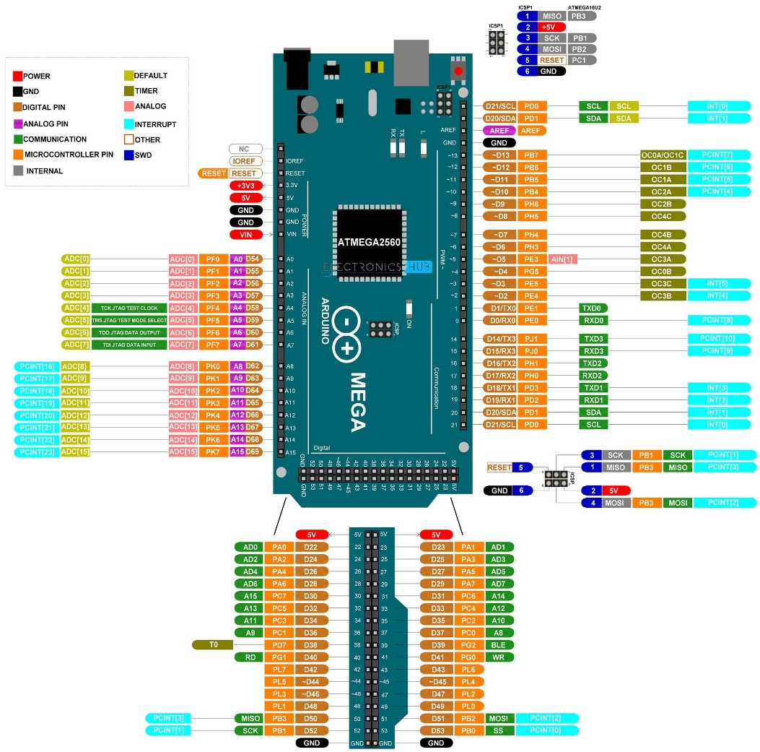
ARDUINO PINS |  | DEVICE PINS | ARDUINO PINS |  | DEVICE PINS
POWER |  |  | Communication
 | IOREF |  |  | 14
 | RESET |  |  | 15
 | 3.3V |  |  | 16
 | 5V |  |  | 17
 | GND |  |  | 18
 | VIN |  |  | 19
ANALOG IN |  |  |  | 20
 | A0 |  |  | 21
 | A1 |  | PWM
 | A2 |  |  | 2
 | A3 |  |  | 3
 | A4 |  |  | 4
 | A5 |  |  | 5
 | A6 |  |  | 6
 | A7 |  |  | 7
 | A8 |  |  | 8
 | A9 |  |  | 9
 | A10 |  |  | 10
 | A11 |  |  | 11
 | A12 |  |  | 12
 | A13 |  |  | 13
 | A14
 | A15
DIGITAL |  |  |  | DEVICE COLOR CODE
 | GND |  |  |  | Load Cell
 | GND |  |  |  | Stepper Motor
 | 5V |  |  |  | KeyPad
 | 5V |  |  |  | Screen
 | 22 |  |  |  | SD-Card
 | 23
 | 24
 | 25
 | 26
 | 27
 | 28
 | 29
 | 30
 | 31
 | 32
 | 33
 | 34
 | 35
 | 36
 | 37
 | 38
 | 39
 | 40
 | 41
 | 42
 | 43
 | 44
 | 45
 | 46
 | 47
 | 48
 | 49
 | 50
 | 51
 | 52
 | 53

